Prueba de Uso Note Sale
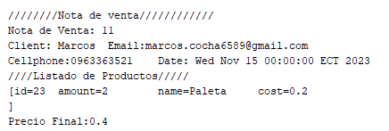
Pruebas de Uso
Cliente | Productos | Costo | Total | La prueba se trata de observar si el sistema logra calcular correctamente el precio y costo total de la venta de 2 helados paleta dependiendo de si el cliente esta en el sur o norte
Norte | 2 | 0.2 | 0.4
Sur | 2 | 0.15 | 0.3
 |  |  | 0.7

Prueba de Uso Inventario
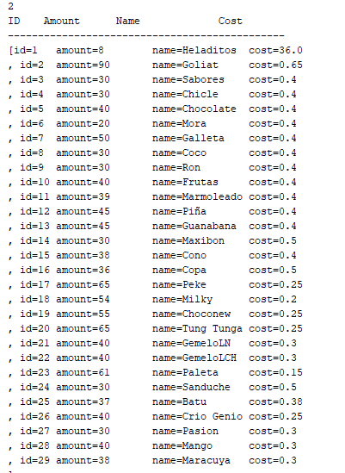
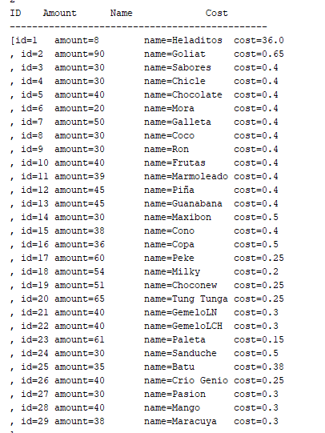
Prueba de Uso del Inventario
Cantidad Anterior | Productos a vender | Cantidad Actual | Nombre del Producto | La prueba se trata de observar el cambio en el numero de elementos de un producto dentro del inventario, esto cuando se realiza una saleNote
37 | 2 | 35 | Batu
65 | 5 | 60 | Peke
55 | 4 | 51 | Choconew

Prueba de Uso Nota Compuesta
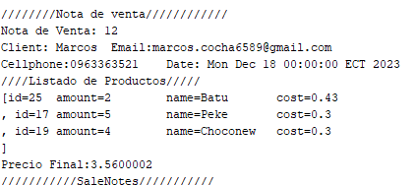
Prueba de Uso del Inventario
Precio | Productos a vender | Total | Nombre del Producto
0.43 | 2 | 0.86 | Batu
0.3 | 5 | 1.5 | Peke
0.3 | 4 | 1.2 | Choconew
 | Precio Total | 3.56

